Instructions
Dog License Reporting Instructions
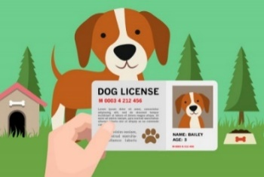 The County Clerk’s office issues dog license tags to municipalities for distribution to pet owners. The Clerk also collects the details of each license to report to the State. The County Treasurer’s office audits the dog reports and license payments.

Use the “Dog License Cover Sheet” as the first page of your report. Reports must be balanced and no dog report is complete without full payment payable to the Dane County Treasurer. Do not combine this payment in a check/ACH with other payments due to Dane County.

The following items must appear as separate columns on the license report (please use the template provided by the County Treasurer if possible):
• Dog License Number, listed in numerical order (You must account for every license tag you receive from the County Clerk so do not skip any numbers).
• Name of the dog owner
• Complete mailing address of the owner
• The total amount the owner paid for the license
• The dollar amount owed to the County Treasurer
• The sex of the dog or puppy with separate columns for number of neutered males, spayed females, un-neutered males, un-spayed females
• Breed of dog
• Color of dog
• Date of rabies vaccination expiration
• Indication of zero cost licenses for replacement or §174.055 exemption for dogs “specially trained to lead blind or deaf persons or to provide support for mobility-impaired persons”. * You cannot request documentation for a therapy/support dog.

A $0.50 rebate per license is available for correct reports and payments received by the second Friday of September.

To assure your rebate payment, email your “Dog License Cover Sheet” and your full worksheet to Treasurer.Admin@CountyofDane.com by the first Friday in September. You will receive a call/email from the Treasurer’s Office if there are questions about your entries or when your total check amount is verified. No changes can be made once the report is balanced and we will have hard copies for the County Clerk's Office.

Current amounts due to the County per dog are:
$13.75 Spayed or Neutered dog
$18.75 Un-spayed or Un-neutered dog
$12.25 Neutered/Spayed Puppy (5 months old by July 1)
$14.75 Un-Neutered/Un-Spayed Puppy (5 months old by July 1)
$43.25 Multiple Dogs (Kennel) License (includes up to 12 dogs)
$13.75 each Additional tags (for dogs over the 12 included in the Multiple Dog, kennel, license)

DO NOT WAIT UNTIL SEPTEMBER TO TURN IN YOUR DOG LISTS, THE COUNTY TREASURER'S OFFICE OFTEN DOES NOT HAVE TIME TO BALANCE YOUR PAYMENT TO YOUR REPORT IN TIME FOR THE COUNTY CLERK REBATE. PLEASE SEND WHAT YOU HAVE COMPLETE IN JUNE OR EARLY JULY.

Last Update | 2023-08-31

